PopulationReport
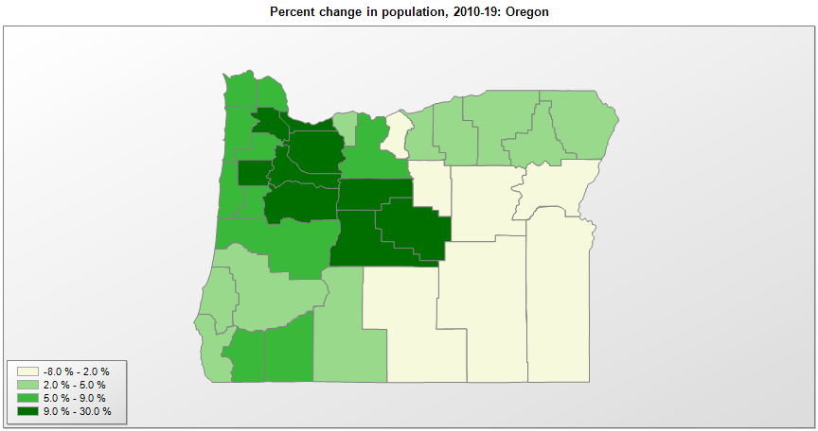

FIPS* | County name | RUC code | Pop. 1990 | Pop. 2000 | Pop. 2010 | Pop. 2019 | Change 2010-19
41000 | Oregon |  | 2,842,337 | 3,421,524 | 3,831,079 | 4,217,737 | 10.1%
41001 | Baker County | 7 | 15,317 | 16,742 | 16,131 | 16,124 | 0.0%
41003 | Benton County | 3 | 70,811 | 78,143 | 85,581 | 93,053 | 8.7%
41005 | Clackamas County | 1 | 278,850 | 338,407 | 375,996 | 418,187 | 11.2%
41007 | Clatsop County | 4 | 33,301 | 35,634 | 37,026 | 40,224 | 8.6%
41009 | Columbia County | 1 | 37,557 | 43,553 | 49,353 | 52,354 | 6.1%
41011 | Coos County | 5 | 60,273 | 62,795 | 63,055 | 64,487 | 2.3%
41013 | Crook County | 6 | 14,111 | 19,175 | 20,978 | 24,404 | 16.3%
41015 | Curry County | 7 | 19,327 | 21,147 | 22,364 | 22,925 | 2.5%
41017 | Deschutes County | 3 | 74,976 | 115,372 | 157,728 | 197,692 | 25.3%
41019 | Douglas County | 4 | 94,649 | 100,375 | 107,684 | 110,980 | 3.1%
41021 | Gilliam County | 9 | 1,717 | 1,910 | 1,873 | 1,912 | 2.1%
41023 | Grant County | 9 | 7,853 | 7,934 | 7,444 | 7,199 | -3.3%
41025 | Harney County | 7 | 7,060 | 7,606 | 7,422 | 7,393 | -0.4%
41027 | Hood River County | 6 | 16,903 | 20,407 | 22,346 | 23,382 | 4.6%
41029 | Jackson County | 3 | 146,387 | 181,281 | 203,204 | 220,944 | 8.7%
41031 | Jefferson County | 6 | 13,676 | 18,995 | 21,725 | 24,658 | 13.5%
41033 | Josephine County | 3 | 62,649 | 75,729 | 82,719 | 87,487 | 5.8%
41035 | Klamath County | 5 | 57,702 | 63,771 | 66,384 | 68,238 | 2.8%
41037 | Lake County | 7 | 7,186 | 7,421 | 7,885 | 7,869 | -0.2%
41039 | Lane County | 2 | 282,912 | 323,011 | 351,705 | 382,067 | 8.6%
41041 | Lincoln County | 5 | 38,889 | 44,481 | 46,033 | 49,962 | 8.5%
41043 | Linn County | 3 | 91,227 | 103,079 | 116,681 | 129,749 | 11.2%
41045 | Malheur County | 6 | 26,038 | 31,618 | 31,316 | 30,571 | -2.4%
41047 | Marion County | 2 | 228,483 | 284,844 | 315,338 | 347,818 | 10.3%
41049 | Morrow County | 6 | 7,625 | 10,995 | 11,175 | 11,603 | 3.8%
41051 | Multnomah County | 1 | 583,887 | 660,602 | 735,146 | 812,855 | 10.6%
41053 | Polk County | 2 | 49,541 | 62,412 | 75,400 | 86,085 | 14.2%
41055 | Sherman County | 9 | 1,918 | 1,934 | 1,766 | 1,780 | 0.8%
41057 | Tillamook County | 6 | 21,570 | 24,264 | 25,254 | 27,036 | 7.1%
41059 | Umatilla County | 4 | 59,249 | 70,556 | 75,887 | 77,950 | 2.7%
41061 | Union County | 7 | 23,598 | 24,522 | 25,744 | 26,835 | 4.2%
41063 | Wallowa County | 9 | 6,911 | 7,230 | 7,008 | 7,208 | 2.9%
41065 | Wasco County | 6 | 21,683 | 23,797 | 25,211 | 26,682 | 5.8%
41067 | Washington County | 1 | 311,554 | 445,256 | 529,862 | 601,592 | 13.5%
41069 | Wheeler County | 9 | 1,396 | 1,551 | 1,439 | 1,332 | -7.4%
41071 | Yamhill County | 1 | 65,551 | 84,975 | 99,216 | 107,100 | 7.9%

Source: U.S. Census Bureau, 1990, 2000, and 2010 Censuses of Population (corrected), and 2019 County Total Population Estimates. 1) The FIPS codes uniquely identify each county and are part of the Federal Information Processing Standards (FIPS) developed by the National Institute of Standards and Technology (NIST), U.S. Department of Commerce. For more information, see the NIST FIPS publication page. 2) The 2013 rural-urban continuum codes classify metropolitan counties (codes 1 through 3) by size of the Metropolitan Statistical Area (MSA), and nonmetropolitan counties (codes 4 through 9) by degree of urbanization and proximity to metro areas. See rural-urban continuum codes for precise definitions of each code.

